Sheet1
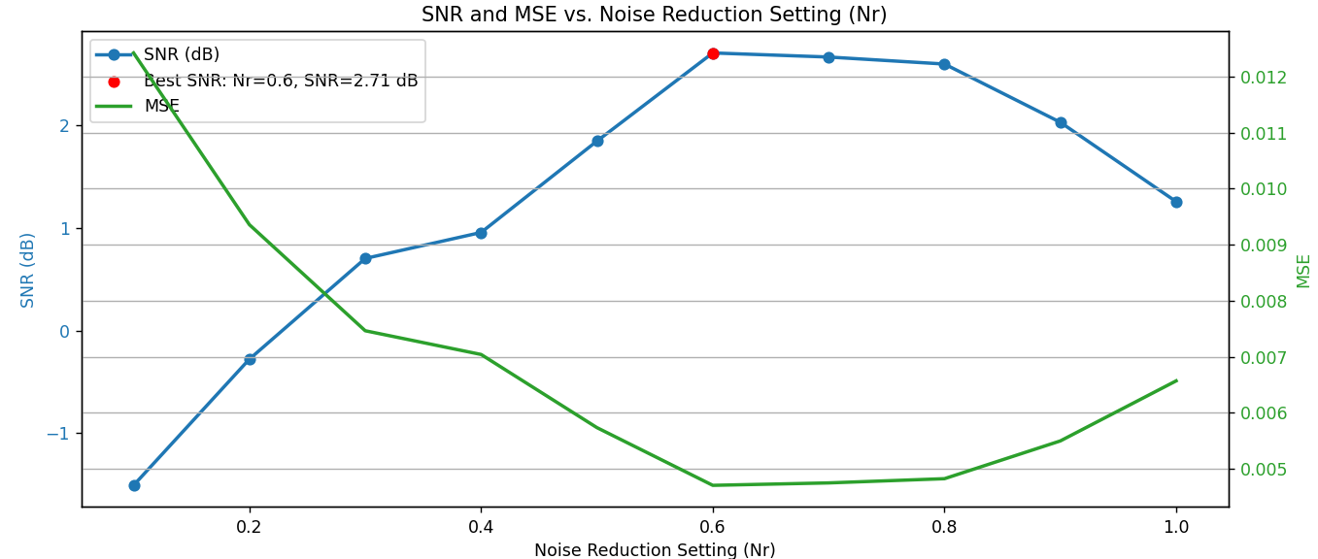

Audi samples

Sample directory index | a.mp3 | b.mp3 | correct answer | Erika:
sample_01 | nr 4 Erika | nr 6 Erika | b
sample_02 | nr 2 Erika | nr 5 Erika | b
sample_03 | nr 8 Erika | nr 10 Erika | a
sample_04 | nr 7 Erika | nr 1 Erika | a
sample_05 | Speech White nr_0.1 | Speech White nr_0.31 | b
sample_06 | Speech White nr 0.4 | Speech White nr 0.8 | a
sample_07 | Speech Brown nr 0.2 | Speech Brown nr 0.6 | b
sample_08 | Speech Brown nr 0.9 | Speech Brown nr 0.7 | b
sample_09 | Speech Brown nr 0.6 best | ML denoise Vidm. | b
sample_10 | Original Vidm. | ML denoise Vidm. | a

